Worksheet
 | Product code | EAN | Description | Quantity | Packed | Price (EUR)
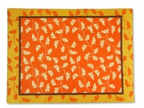 | 84494 | 4002911844946 | set of 100 pcs table mats, "Harmony", paper table mats size 30 cm x 40 cm, 6 x 100 items packed in a cardboard box with dim. 43 x 36.5 x 24 cm | 360 | 6 | € 2.19
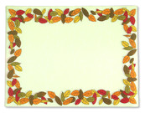 | 84493 | 4002911844939 | set of 100 pcs table mats, "Autumnal", paper table mats size 30 cm x 40 cm, 6 x 100 items packed in a cardboard box with dim. 43 x 36.5 x 24 cm | 966 | 6 | € 2.19
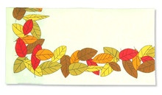 | 84499 | 4002911978443 | tablecloth, fabric imitation, "Autumnal", 20 pcs., paper tablecloth with size. 80 cm x 80 cm, 5 x 20 pcs packed in a cardboard box with dimensions. 42 x 35 x 23 cm | 645 | 5 | € 2.19
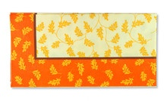 | 84500 | 4002911845004 | tablecloth, fabric imitation, "Harmony", 20 pcs., paper tablecloth with size. 80 cm x 80 cm, 5 x 20 pcs packed in a cardboard box with dimensions. 42 x 35 x 23 cm | 970 | 5 | € 2.19
 | OBR1 |  | Teenage Mutant Ninja Turtles tablecloth, blister pack, dimensions when unfolded: 1.80 x 1.20 m | 3808 | 100 | € 0.27
 | 1209/85120 | 8427073851209 | Tablecloth 120 x 180, color: red, foil packaging | 1400 | 25 | € 0.43
 | 2702/6027000 | 8427073602702 | Tablecloth 140 x 260 cm, color: orange, foil packaging | 959 | 24 | € 0.61
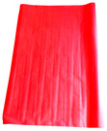 | 6806/1680 |  | Tablecloth 5 x 1.20 m, color: red, packaging: rolled up, in foil | 1231 | 16 | € 0.98
 | 401/8040 | 8427073080401 | Barbie tablecloth, dimensions: 120 x 180 cm, foil wrapping | 1814 | 25 | € 0.61
 | 1002/8100 | 8427073081002 | Barbie tablecloth, dimensions: 120 x 180 cm, foil packaging | 1781 | 25 | € 0.61
 | 4300/8430 | 8427073084300 | Justice League tablecloth, dimensions: 120 x 180 cm, blister packaging | 1776 | 144 | € 0.43
 | 7006/82700 |  | Azul tablecloth, 4.80 x 0.40 m, color: navy blue, packaging: rolled up, in foil | 1158 | 14 | € 0.39
 | 9922/71209 | 8480010129922 | Tablecloth 120 x 180 cm, color: burgundy, foil packaging | 750 | 25 | € 0.55
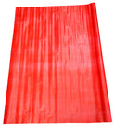 | 3982/27398 |  | Tablecloth 5 x 1.18 m, color: red, packaging: wrapped, in foil | 512 | 16 | € 0.98
 | 2602/85260 | 8427073852602 | Tablecloth 120 x 180 cm, color: orange, foil packaging | 2443 | 25 | € 0.55
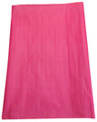 | 605/22060 |  | Tablecloth 5 x 1.20 m, mix of colors, packaging: rolled up, in foil | 168 | 16 | € 0.98
 | 3302/85330 | 8427073853302 | Citrico tablecloth 120 x 180 cm, color: lime green, foil packaging | 1099 | 25 | € 0.55
 | 2705/5027000 | 8427073502705 | Tablecloth 140 x 260 cm, color: green, foil packaging | 60 |  | € 0.55
 | 5307/8530 | 8427073085307 | Tablecloth 120 x 180 cm, Penguins of Madagascar, blister packaging | 1014 |  | € 0.35
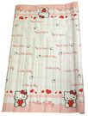 | 7910/116099 |  | Tablecloth 7 x 1.20 m, Hello Kitty, packaging: rolled up, in foil | 375 | 25 | € 0.98
 | 4027000 | 8427073402708 | Tablecloth 140 x 260 cm, color: purple, foil packaging | 1311 | 24 | € 0.55
 | 8230 | 8427073082306 | Tablecloth 120 x 180 cm, Maya the Bee, blister pack | 703 | 12 | € 0.27
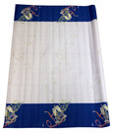 | 4949/1494 |  | Tablecloth 5 x 1.20 m, Celebration, packaging: rolled up, in foil | 1159 | 25 | € 0.98
 | 2027000 | 8427073202704 | Tablecloth 140 x 260 cm, Rosa, foil packaging | 3240 | 24 | € 0.55
 | 118251 |  | Tablecloth 1.20 x 2.50 m, mix of colors, packaging: rolled up, in foil | 12901 | 25 | € 0.98
 |  |  |  | 42603

